Euratom
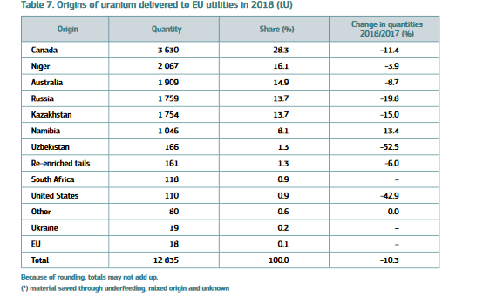

2017 Calculations | Value | Unit | Notes
EU imports | 14,291 | tonnes of uranium
EU imports | 14,290,807 | kg of uranium
Heat output | 9,289,024,638 | GJ | Assuming natural uranium, in LWR with U & Pu recycle
Heat output | 8.80E+15 | BTU
Final energy consumed | 2.91E+15 | BTU

2018 Calculations
EU imports | 12,817 | tonnes of uranium
EU imports | 12,817,000 | kg of uranium
Heat output | 8,331,050,000 | GJ | Assuming natural uranium, in LWR with U & Pu recycle
Heat output | 7.90E+15 | BTU
Final energy consumed | 2.61E+15 | BTU

World Nuclear Association
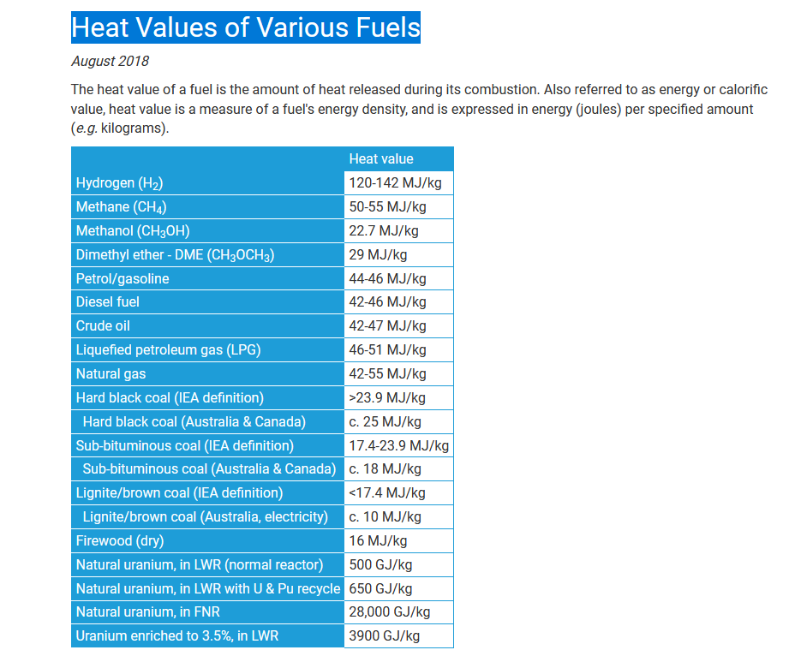

 | GJ/kg
Natural uranium, in LWR (normal reactor) | 500
Natural uranium, in LWR with U & Pu recycle | 650
Natural uranium, in FNR | 28000
Uranium enriched to 3.5%, in LWR | 3900

